Req Duration
Http Request Duration Vs User Load Trend
 | Avg | 90p | 95p
100 | 6.14 | 11.3 | 14.07
200 | 11.59 | 19.54 | 19.67
500 | 20.35 | 35.29 | 37.25
750 | 21.46 | 37.47 | 39.84
1000 | 24.74 | 41.3 | 44.11

Req_Waiting
Http Request Duration Vs User Load Trend
 | Avg | 90p | 95p
100 | 6.11 | 11.3 | 14.04
200 | 11.56 | 19.54 | 19.63
500 | 20.32 | 35.26 | 37.24
750 | 21.43 | 37.44 | 39.82
1000 | 24.71 | 41.26 | 44.07

Sheet3
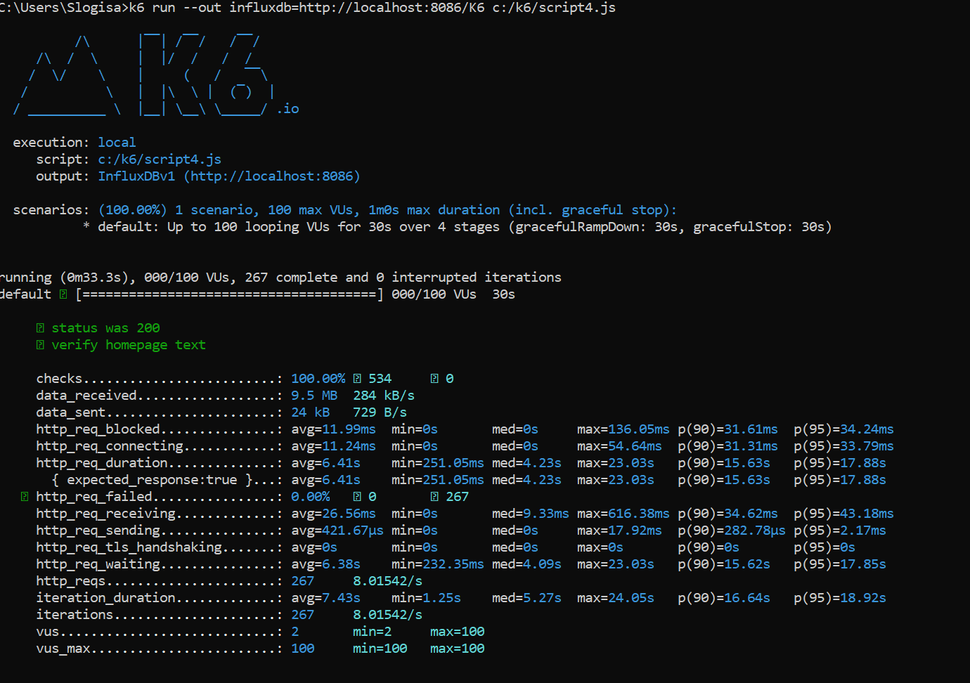
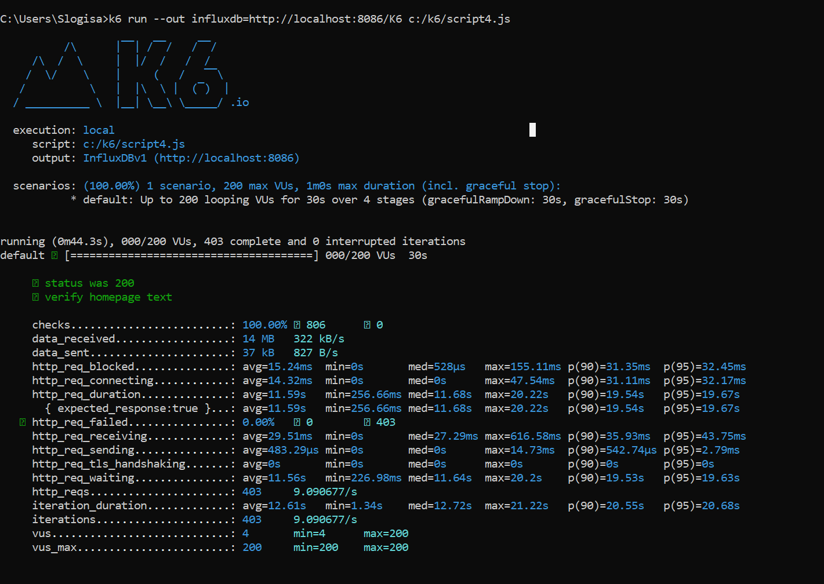
100 VU Test Result | 100 VU Test Result

